_ELLESSE
LOT 01

 | NO | COLOUR | S | M | L | XL | PACK | QTY | RRP
ELIA 3 PACK BOXER | SJ00457 | BLACK | 6 | 12 | 12 | 6 | 36 | 2,500 | € 35.00
REMO 3 PACK BOXER | SJ00459 | GREY | 6 | 12 | 12 | 6 | 36 | 2,500 | € 35.00
SILVIO 3 PACK BOXER | SJ00458 | NAVY | 6 | 12 | 12 | 6 | 36 | 2,500 | € 35.00
OWEN 3 PACK BOXER | SJ00456 | MULTI | 6 | 12 | 12 | 6 | 36 | 2,500 | € 35.00
 |  |  |  |  |  |  |  | 10,000
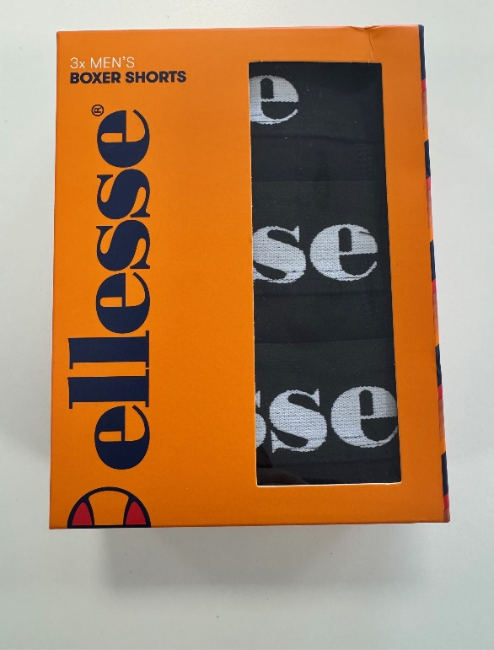
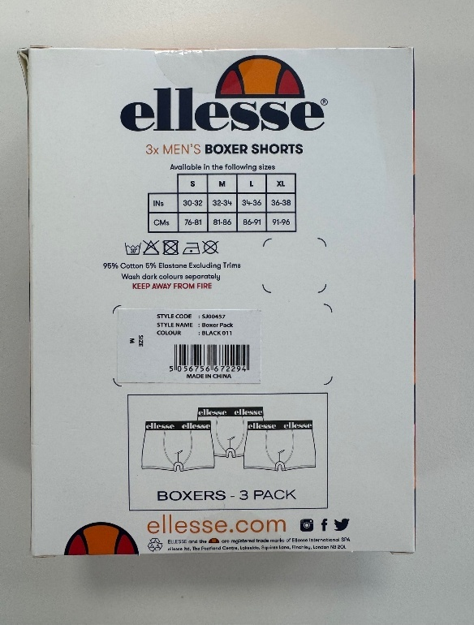

LOT 02

STYLE | NO | COLOUR | S | M | L | XL | PACK | QTY | RRP
ELIA 3 PACK BOXER | SJ00457 | BLACK | 6 | 12 | 12 | 6 | 36 | 2,500 | € 35.00
REMO V 2 3 PACK BOXER | SJ00459 | GREY MULTI | 6 | 12 | 12 | 6 | 36 | 2,500 | € 35.00
SILVIO 3 PACK BOXER | SJ00458 | NAVY | 6 | 12 | 12 | 6 | 36 | 2,500 | € 35.00
OWEN 3 PACK BOXER | SJ00456 | BLACK MULTI | 6 | 12 | 12 | 6 | 36 | 2,500 | € 35.00
 |  |  |  |  |  |  |  | 10,000

